TEDB Edition 40
Greenhouse gas emissions associated with vehicle manufacturing (current technology) were estimated using the GREET model. Emissions from manufacturing the vehicle body are about two tonnes of carbon dioxide equivalent for each of the vehicle types. Emissions from the manufacture of the hydrogen on-board storage cause the total emissions associated with the manufacture of a hydrogen fuel cell vehicle to be higher than the other vehicle types. Emissions from the manufacture of batteries cause BEV300 vehicles to have the highest total emissions.

Figure 12.5. Vehicle Manufacturing Cycle Greenhouse Gas Emissions by Vehicle Component

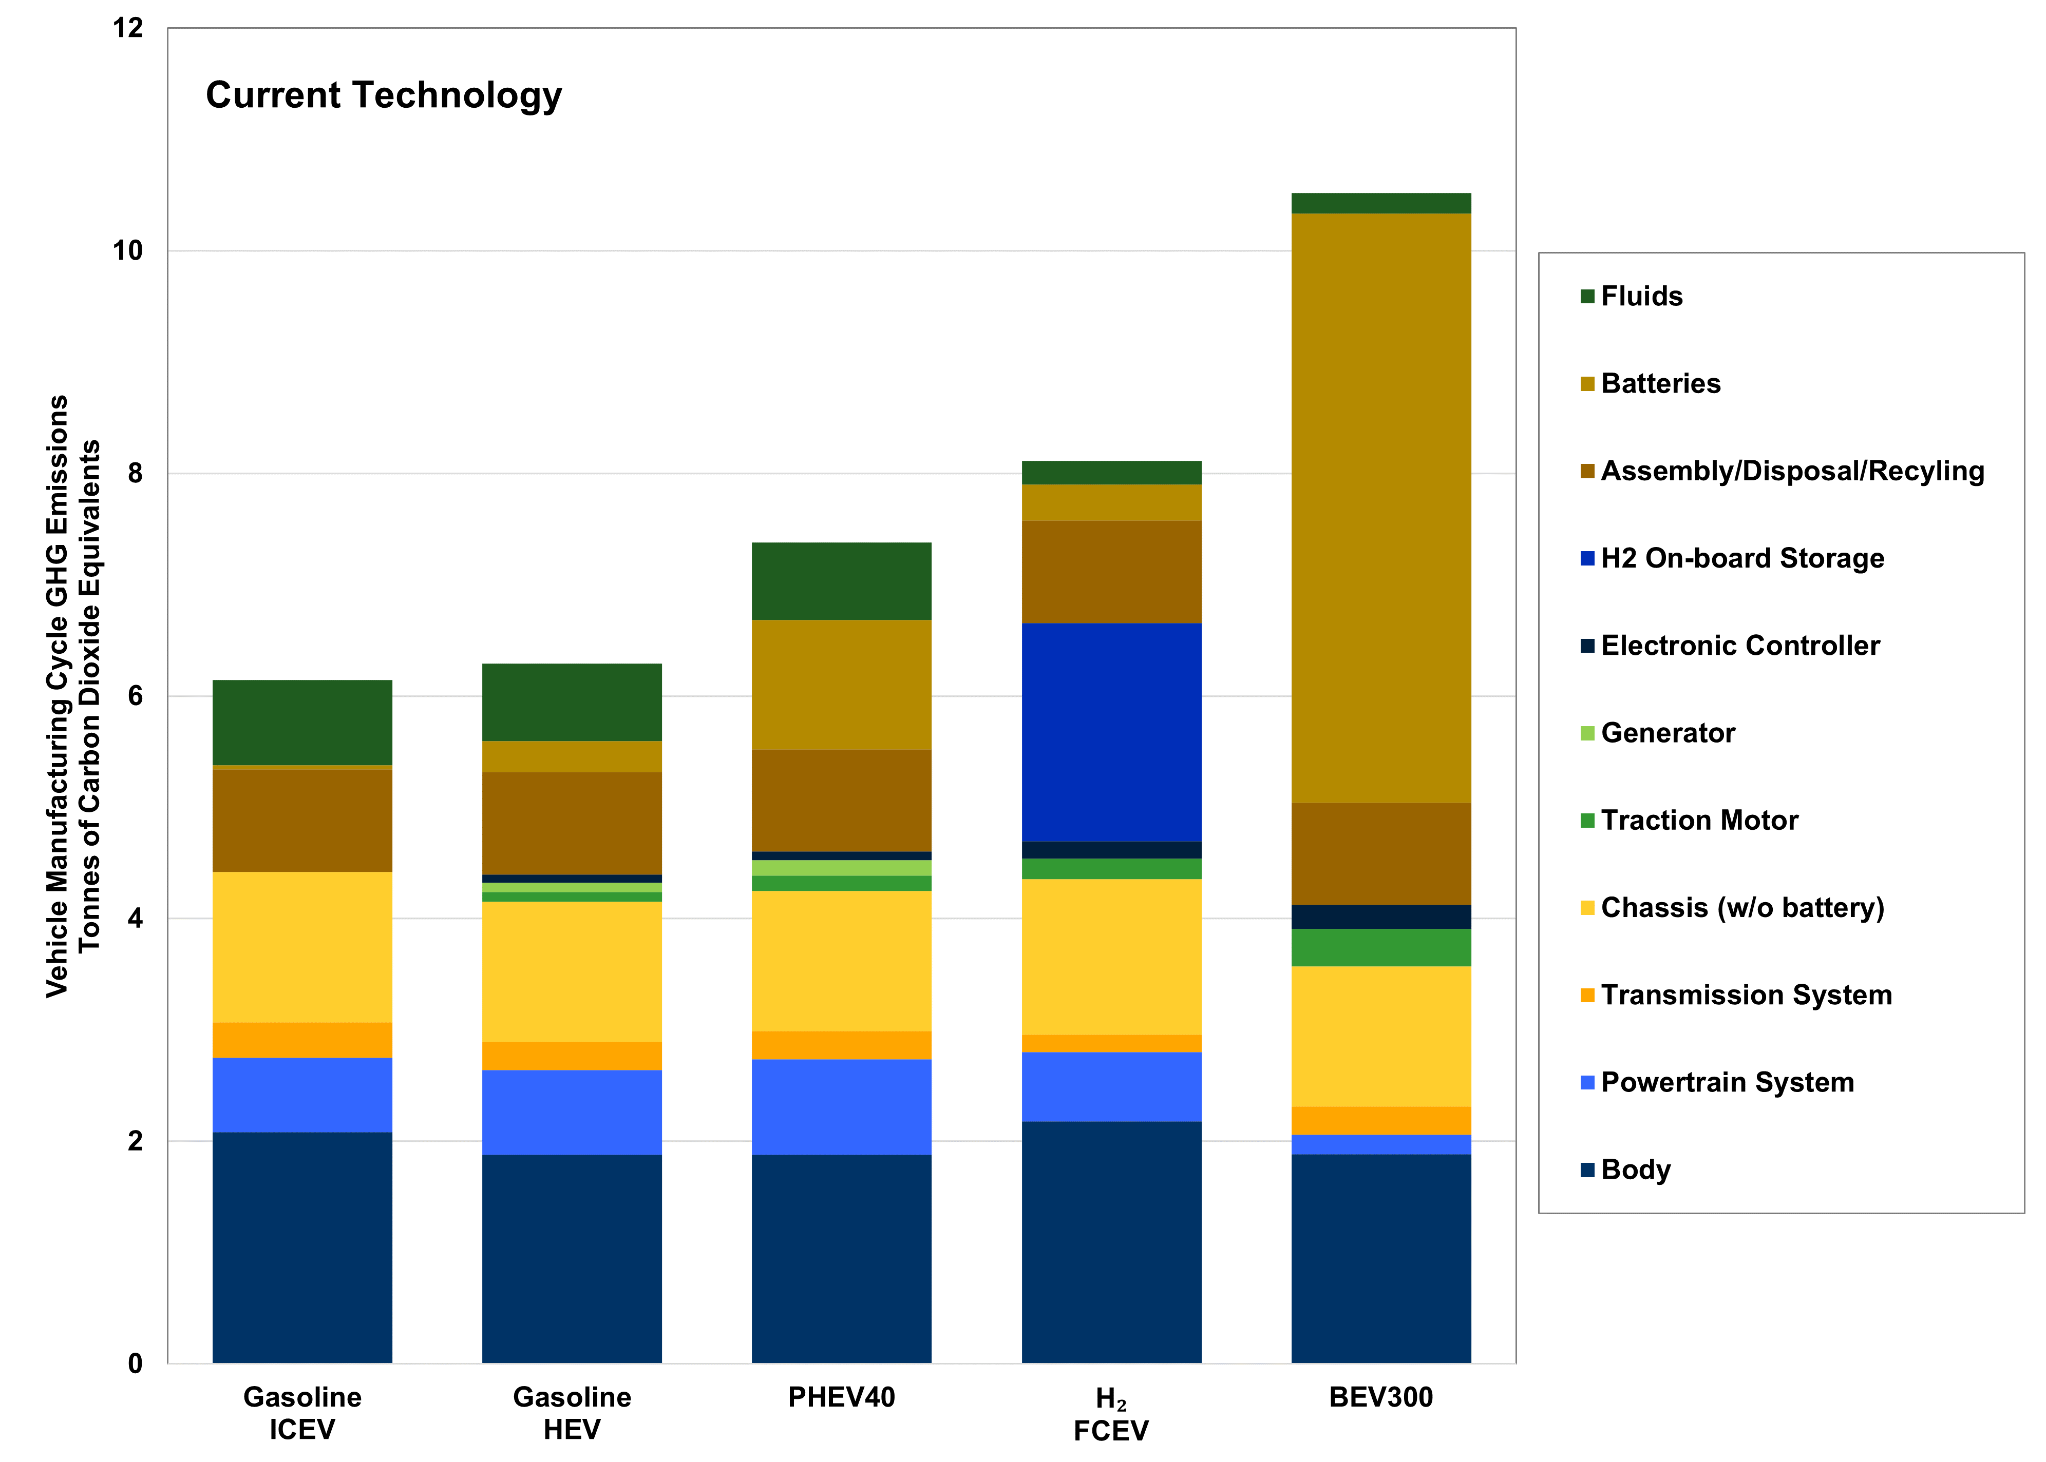

Tonnes of Carbon Dioxide Equivalents
Vehicle | Body | Powertrain System | Transmission System | Chassis (w/o battery) | Traction Motor | Generator | Electronic Controller | H2 On-board Storage | Assembly/Disposal/Recyling | Batteries | Fluids | Total
Gasoline ICEV | 2.1 | 0.7 | 0.3 | 1.4 | 0.0 | 0.0 | 0.0 | 0.0 | 0.9 | 0.0 | 0.8 | 6.1
Gasoline HEV | 1.9 | 0.8 | 0.3 | 1.3 | 0.2 | 0.1 | 0.1 | 0.0 | 0.9 | 0.3 | 0.7 | 6.4
PHEV40 | 1.9 | 0.9 | 0.3 | 1.3 | 0.3 | 0.1 | 0.1 | 0.0 | 0.9 | 1.2 | 0.7 | 7.5
H₂ FCEV | 2.2 | 0.6 | 0.2 | 1.4 | 0.2 | 0.0 | 0.2 | 2.0 | 0.9 | 0.3 | 0.2 | 8.1
BEV300 | 1.9 | 0.2 | 0.3 | 1.3 | 0.3 | 0.0 | 0.2 | 0.0 | 0.9 | 5.3 | 0.2 | 10.5

Note: HG = greenhouse gases. ICEV = internal combustion engine vehicle. CNG = compressed natural gas. HEV = hybrid-electric vehicle. PHEV40 = Plug-in hybrid electric vehicle with 40-mile electric range. H2FCEV = Hydrogen fuel cell electric vehicle. BEV100 = Battery-electric vehicle with a 100-mile range. BEV300 = Battery-electric vehicle with a 300-mile range.

Source:
Argonne National Laboratory, Cradle-to-Grave Lifecycle Analysis of U.S. Light-Duty Vehicle-Fuel Pathways: A Greenhouse Gas Emissions and Economic Assessment of Current (2015) and Future (2025-2030) Technologies, June 01, 2016, p. 143. Updated in 2021 by Argonne National Laboratory. (Additional resources: greet.es.anl.gov)

